MMs
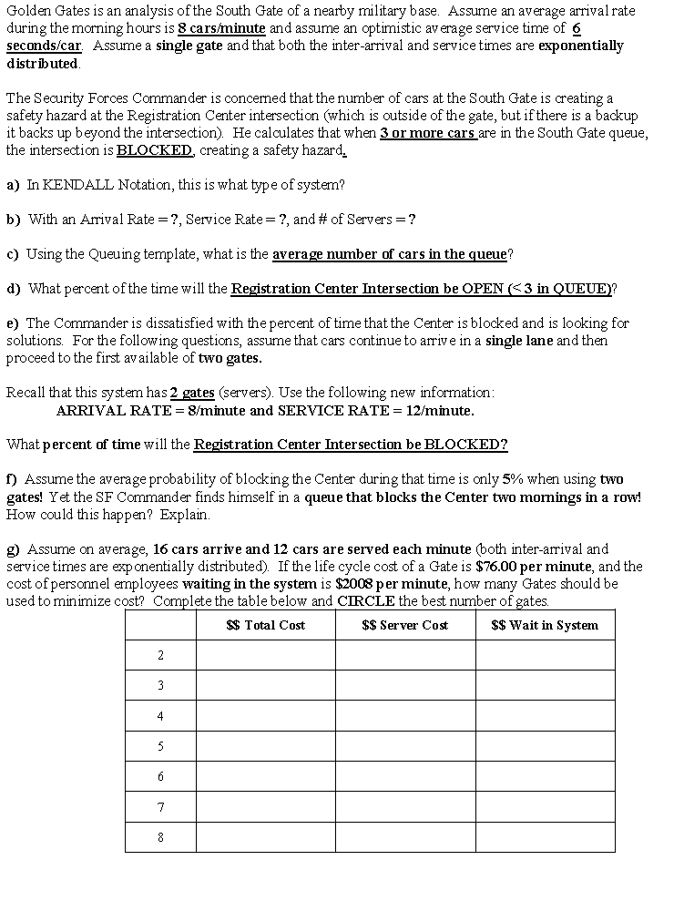
Template MMs
Input Data |  | per | Operating Characteristics
Arrival rate (l) | 8 | Min | Average server utilization (r) | 80.0% | %
Service rate (m) | 10 | Min | Average number of customers in the queue (Lq) | 3.200 | in queue
Number of servers (s) | 1 | nmbr | Average number of customers in the system (L) | 4.000 | in system
Cost of Service | 15 | per time | Average waiting time in the queue (Wq) | 0.400 | Min
Cost of Waiting | 60 | per time | Average time in the system (W) | 0.500 | Min
 |  |  | Probability (% of time) system is empty (P0) | 0.200 | empty

Probabilities
Number In System | Prob | Cum. Prob
0 | 0.2000 | 0.2000
1 | 0.1600 | 0.3600
2 | 0.1280 | 0.4880 | 51.2%
3 | 0.1024 | 0.5904
4 | 0.0819 | 0.6723
5 | 0.0655 | 0.7379
6 | 0.0524 | 0.7903
7 | 0.0419 | 0.8322
8 | 0.0336 | 0.8658
9 | 0.0268 | 0.8926
10 | 0.0215 | 0.9141
11 | 0.0172 | 0.9313
12 | 0.0137 | 0.9450
13 | 0.0110 | 0.9560
14 | 0.0088 | 0.9648
15 | 0.0070 | 0.9719
16 | 0.0056 | 0.9775
17 | 0.0045 | 0.9820
18 | 0.0036 | 0.9856
19 | 0.0029 | 0.9885
20 | 0.0023 | 0.9908
Computations
n or s | (lam/mu)^n/n! | Cumsum(n-1) | term2 | P0(s) | Rho(s) | Lq(s) | L(s) | Wq(s) | W(S)
0 | 1
1 | 0.8 | 1 | 4 | 0.2 | 0.8 | 3.2 | 4 | 0.4 | 0.5
2 | 0.32 | 1.8 | 0.53333333333 | 0.42857142857 | 0.4 | 0.15238095238 | 0.95238095238 | 0.019047619048 | 0.11904761905
3 | 0.085333333333 | 2.12 | 0.11636363636 | 0.44715447154 | 0.26666666667 | 0.018920916482 | 0.81892091648 | 0.0023651145602 | 0.10236511456
4 | 0.017066666667 | 2.2053333333 | 0.021333333333 | 0.44910179641 | 0.2 | 0.0023952095808 | 0.80239520958 | 0.0002994011976 | 0.1002994012
5 | 0.0027306666667 | 2.2224 | 0.0032507936508 | 0.44930678382 | 0.16 | 0.00027821021716 | 0.80027821022 | 3.4776277145E-05 | 0.10003477628
6 | 0.00036408888889 | 2.2251306667 | 0.0004201025641 | 0.44932697732 | 0.13333333333 | 2.9040525429E-05 | 0.80002904053 | 3.6300656787E-06 | 0.10000363007
7 | 4.161015873E-05 | 2.2254947556 | 4.697921147E-05 | 0.44932880133 | 0.11428571429 | 2.7237564874E-06 | 0.80000272376 | 3.4046956092E-07 | 0.10000034047
8 | 4.161015873E-06 | 2.2255363657 | 4.62335097E-06 | 0.44932895189 | 0.1 | 2.3082282729E-07 | 0.80000023082 | 2.8852853411E-08 | 0.10000002885
9 | 3.698680776E-07 | 2.2255405267 | 4.059527681E-07 | 0.44932896327 | 0.088888888889 | 1.7795740139E-08 | 0.8000000178 | 2.2244675174E-09 | 0.10000000222
10 | 2.9589446208E-08 | 2.2255408966 | 3.2162441531E-08 | 0.44932896406 | 0.08 | 1.2566536117E-09 | 0.80000000126 | 1.5708170146E-10 | 0.10000000016
11 | 2.1519597242E-09 | 2.2255409262 | 2.3207408791E-09 | 0.44932896411 | 0.072727272727 | 8.1786360405E-11 | 0.80000000008 | 1.0223295051E-11 | 0.10000000001
12 | 1.4346398162E-10 | 2.2255409283 | 1.5371140887E-10 | 0.44932896412 | 0.066666666667 | 4.9333562944E-12 | 0.8 | 6.166695368E-13 | 0.1
13 | 8.8285527148E-12 | 2.2255409285 | 9.4074742043E-12 | 0.44932896412 | 0.061538461538 | 2.7718364847E-13 | 0.8 | 3.4647956059E-14 | 0.1
14 | 5.0448872656E-13 | 2.2255409285 | 5.350638009E-13 | 0.44932896412 | 0.057142857143 | 1.457088869E-14 | 0.8 | 1.8213610863E-15 | 0.1
15 | 2.6906065416E-14 | 2.2255409285 | 2.8421900088E-14 | 0.44932896412 | 0.053333333333 | 7.1948072815E-16 | 0.8 | 8.9935091019E-17 | 0.1
16 | 1.3453032708E-15 | 2.2255409285 | 1.4161087061E-15 | 0.44932896412 | 0.05 | 3.3489403053E-17 | 0.8 | 4.1861753816E-18 | 0.1
17 | 6.3308389215E-17 | 2.2255409285 | 6.6434729423E-17 | 0.44932896412 | 0.047058823529 | 1.4741258347E-18 | 0.8 | 1.8426572934E-19 | 0.1
18 | 2.8137061873E-18 | 2.2255409285 | 2.9445762426E-18 | 0.44932896412 | 0.044444444444 | 6.1538762458E-20 | 0.8 | 7.6923453072E-21 | 0.1
19 | 1.1847183947E-19 | 2.2255409285 | 1.2367939285E-19 | 0.44932896412 | 0.042105263158 | 2.4427575153E-21 | 0.8 | 3.0534468941E-22 | 0.1
20 | 4.7388735787E-21 | 2.2255409285 | 4.9363266445E-21 | 0.44932896412 | 0.04 | 9.2418105737E-23 | 0.8 | 1.1552263217E-23 | 0.1
21 | 1.8052851728E-22 | 2.2255409285 | 1.8767816153E-22 | 0.44932896412 | 0.038095238095 | 3.3397716399E-24 | 0.8 | 4.1747145499E-25 | 0.1
22 | 6.5646733557E-24 | 2.2255409285 | 6.8123968786E-24 | 0.44932896412 | 0.036363636364 | 1.1550970689E-25 | 0.8 | 1.4438713361E-26 | 0.1
23 | 2.2833646455E-25 | 2.2255409285 | 2.3656480561E-25 | 0.44932896412 | 0.034782608696 | 3.8304655514E-27 | 0.8 | 4.7880819393E-28 | 0.1
24 | 7.6112154849E-27 | 2.2255409285 | 7.8736711913E-27 | 0.44932896412 | 0.033333333333 | 1.2199546621E-28 | 0.8 | 1.5249433277E-29 | 0.1
25 | 2.4355889552E-28 | 2.2255409285 | 2.5161042925E-28 | 0.44932896412 | 0.032 | 3.737383588E-30 | 0.8 | 4.671729485E-31 | 0.1
26 | 7.4941198621E-30 | 2.2255409285 | 7.7320284291E-30 | 0.44932896412 | 0.030769230769 | 1.102928357E-31 | 0.8 | 1.3786604463E-32 | 0.1
27 | 2.2204799591E-31 | 2.2255409285 | 2.2882808739E-31 | 0.44932896412 | 0.02962962963 | 3.1395141212E-33 | 0.8 | 3.9243926515E-34 | 0.1
28 | 6.3442284547E-33 | 2.2255409285 | 6.5308234092E-33 | 0.44932896412 | 0.028571428571 | 8.6308474038E-35 | 0.8 | 1.0788559255E-35 | 0.1
29 | 1.7501319875E-34 | 2.2255409285 | 1.7997811219E-34 | 0.44932896412 | 0.027586206897 | 2.294166772E-36 | 0.8 | 2.867708465E-37 | 0.1
30 | 4.6670186333E-36 | 2.2255409285 | 4.7948821575E-36 | 0.44932896412 | 0.026666666667 | 5.9026833778E-38 | 0.8 | 7.3783542223E-39 | 0.1

